Maps of movements
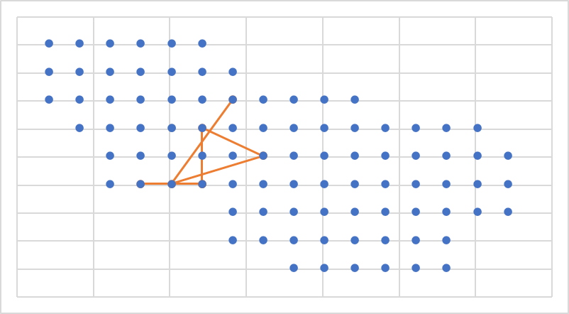
Trapping_sess | ID | Date | Trap_point | x | y

20 | 965 | 2015-07-15 | 73 | -59 | 21
21 | 965 | 2015-09-09 | 27 | -99 | -39
22 | 965 | 2015-11-07 | 44 | -39 | -19
23 | 965 | 2016-01-15 | 57 | -79 | 1
24 | 965 | 2016-03-08 | 28 | -79 | -39
25 | 965 | 2016-05-13 | 28 | -79 | -39
26 | 965 | 2016-07-08 | 26 | -119 | -39

29 | 965 | 2017-01-06 | 56 | -99 | 1

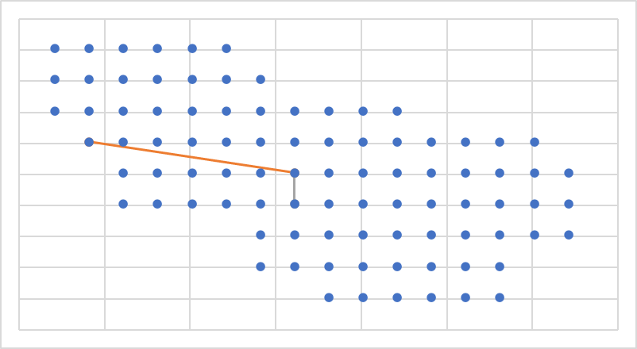

21 | 989 | 2015-09-10 | 53 | -159 | 1
22 | 989 | 2015-11-08 | 44 | -39 | -19

24 | 989 | 2016-03-06 | 30 | -39 | -39
25 | 989 | 2016-05-11 | 44 | -39 | -19
26 | 989 | 2016-07-09 | 30 | -39 | -39

34 | 989 | 2017-11-11 | 27 | -99 | -39

36 | 989 | 2018-03-08 | 30 | -39 | -39

43 | 989 | 2019-05-04 | 17 | -19 | -59

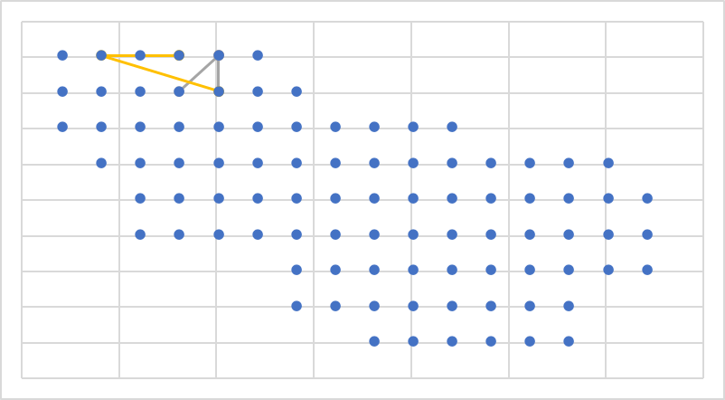

22 | 1033 | 2015-11-07 | 89 | -99 | 61

27 | 1033 | 2016-09-10 | 81 | -119 | 41
28 | 1033 | 2016-11-09 | 89 | -99 | 61
29 | 1033 | 2017-01-07 | 89 | -99 | 61
30 | 1033 | 2017-03-19 | 82 | -99 | 41

34 | 1033 | 2017-11-15 | 88 | -119 | 61
35 | 1033 | 2018-01-14 | 88 | -119 | 61
36 | 1033 | 2018-03-07 | 86 | -159 | 61
37 | 1033 | 2018-05-08 | 82 | -99 | 41

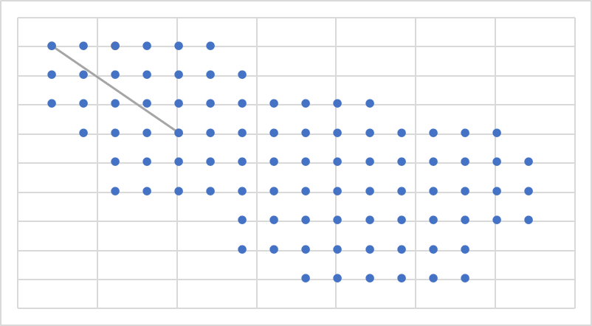
20 | 957 | 2015-07-17 | 87 | -139 | 61

24 | 957 | 2016-03-06 | 85 | -179 | 61
25 | 957 | 2016-05-12 | 56 | -99 | 1

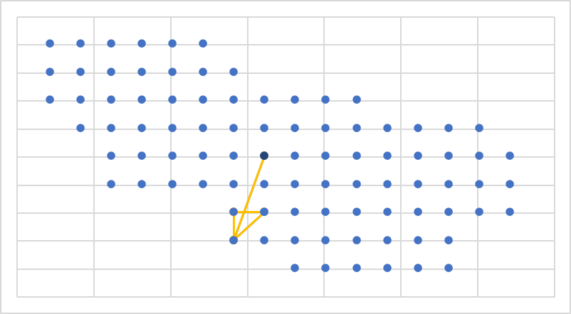
24 | 1073 | 2016-03-06 | 15 | -59 | -59
25 | 1073 | 2016-05-11 | 7 | -59 | -79
26 | 1073 | 2016-07-09 | 15 | -59 | -59
27 | 1073 | 2016-09-08 | 16 | -39 | -59
28 | 1073 | 2016-11-11 | 7 | -59 | -79
29 | 1073 | 2017-01-04 | 44 | -39 | -19

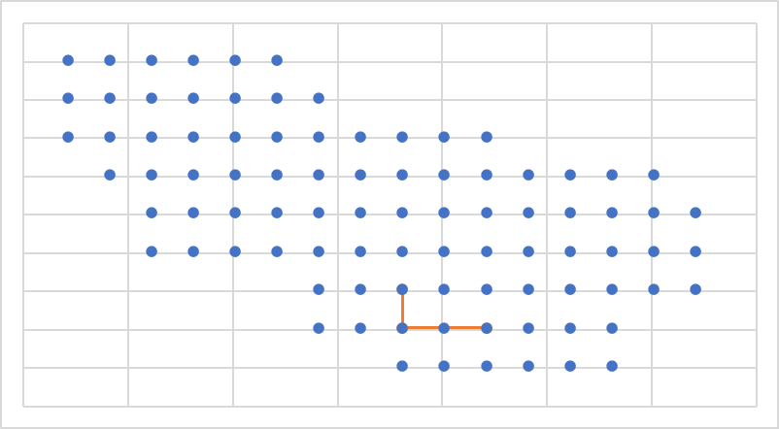
23 | 1460 | 2016-01-14 | 17 | -19 | -59
24 | 1460 | 2016-03-09 | 9 | -19 | -79
25 | 1460 | 2016-05-11 | 11 | 21 | -79

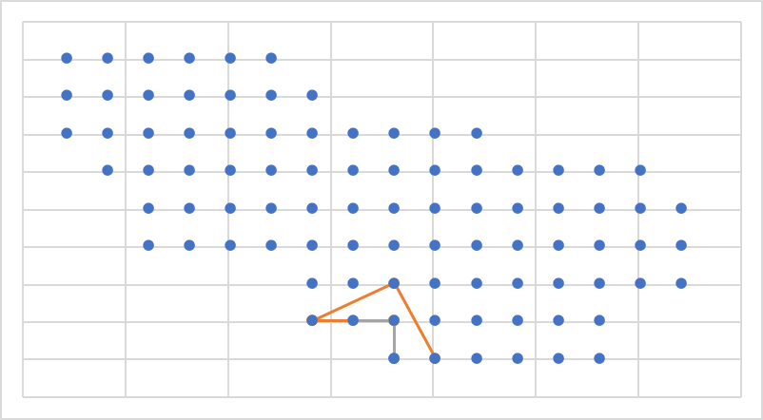
23 | 1062 | 2016-01-15 | 9 | -19 | -79
24 | 1062 | 2016-03-07 | 9 | -19 | -79
25 | 1062 | 2016-05-11 | 7 | -59 | -79
26 | 1062 | 2016-07-08 | 7 | -59 | -79
27 | 1062 | 2016-09-10 | 17 | -19 | -59
28 | 1062 | 2016-11-10 | 2 | 1 | -99

31 | 1062 | 2017-05-10 | 8 | -39 | -79
32 | 1062 | 2017-07-10 | 9 | -19 | -79
33 | 1062 | 2017-09-04 | 1 | -19 | -99

35 | 1062 | 2018-01-13 | 9 | -19 | -79
36 | 1062 | 2018-03-07 | 9 | -19 | -79

38 | 1062 | 2018-07-08 | 1 | -19 | -99

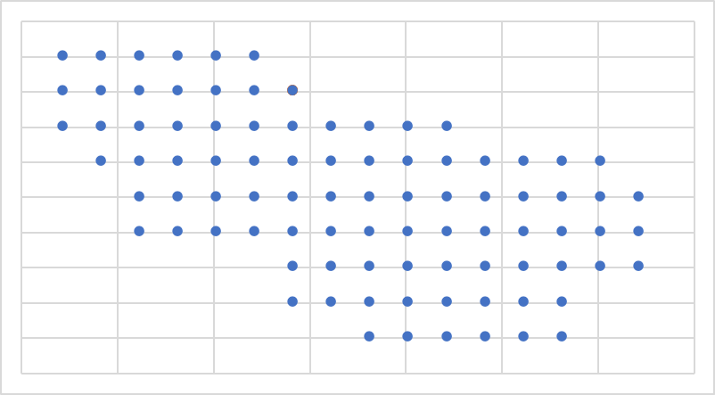

23 | 1052 | 2016-01-16 | 84 | -59 | 41
24 | 1052 | 2016-03-08 | 84 | -59 | 41
25 | 1052 | 2016-05-15 | 84 | -59 | 41
26 | 1052 | 2016-07-11 | 84 | -59 | 41
27 | 1052 | 2016-09-11 | 84 | -59 | 41

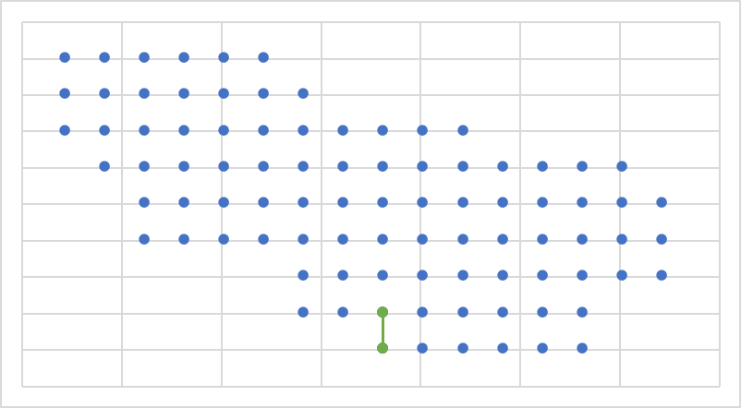
24 | 1116 | 2016-03-10 | 1 | -19 | -99

26 | 1116 | 2016-07-12 | 1 | -19 | -99

28 | 1116 | 2016-11-11 | 1 | -19 | -99
29 | 1116 | 2017-01-05 | 9 | -19 | -79
30 | 1116 | 2017-03-15 | 1 | -19 | -99

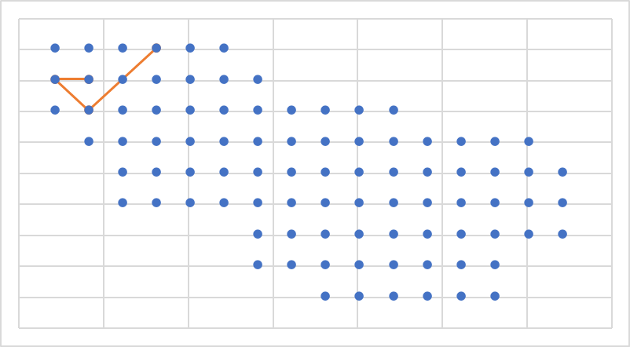
24 | 1108 | 2016-03-09 | 79 | -159 | 41
25 | 1108 | 2016-05-12 | 78 | -179 | 41
26 | 1108 | 2016-07-08 | 68 | -159 | 21
27 | 1108 | 2016-09-10 | 88 | -119 | 61

31 | 1108 | 2017-05-13 | 85 | -179 | 61

37 | 1108 | 2018-05-09 | 86 | -159 | 61

41 | 1108 | 2019-01-13 | 9 | -19 | -79

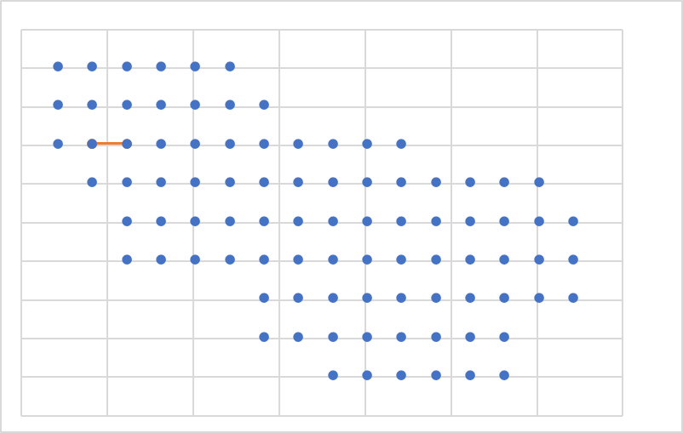
24 | 1124 | 2016-03-10 | 68 | -159 | 21
25 | 1124 | 2016-05-11 | 68 | -159 | 21
26 | 1124 | 2016-07-08 | 69 | -139 | 21

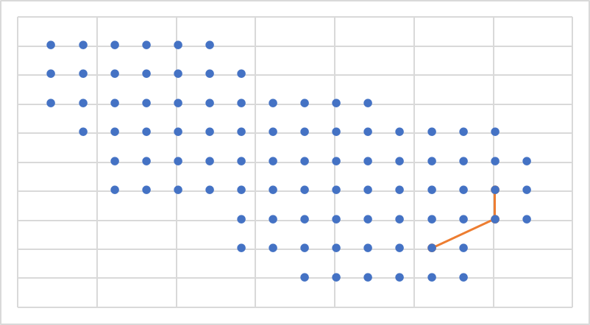
26 | 1174 | 2016-07-10 | 37 | 101 | -39
27 | 1174 | 2016-09-07 | 23 | 101 | -59
28 | 1174 | 2016-11-10 | 13 | 61 | -79

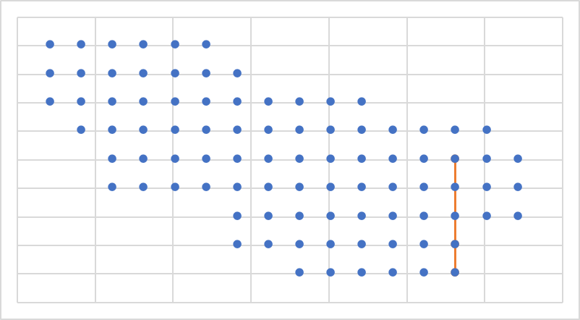
26 | 1175 | 2016-07-11 | 6 | 81 | -99
27 | 1175 | 2016-09-07 | 14 | 81 | -79
28 | 1175 | 2016-11-09 | 50 | 81 | -19

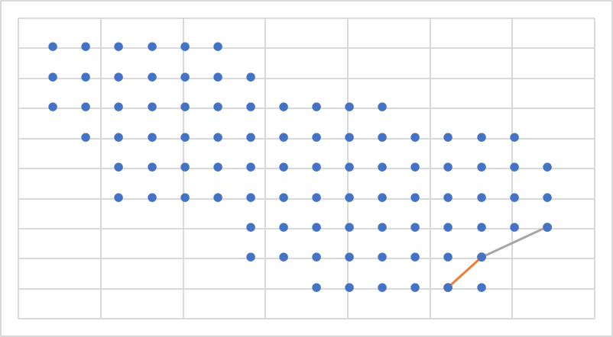
26 | 1171 | 2016-07-10 | 14 | 81 | -79
27 | 1171 | 2016-09-07 | 5 | 61 | -99

29 | 1171 | 2017-01-06 | 14 | 81 | -79
30 | 1171 | 2017-03-17 | 24 | 121 | -59
31 | 1171 | 2017-05-12 | 24 | 121 | -59
32 | 1171 | 2017-07-11 | 24 | 121 | -59

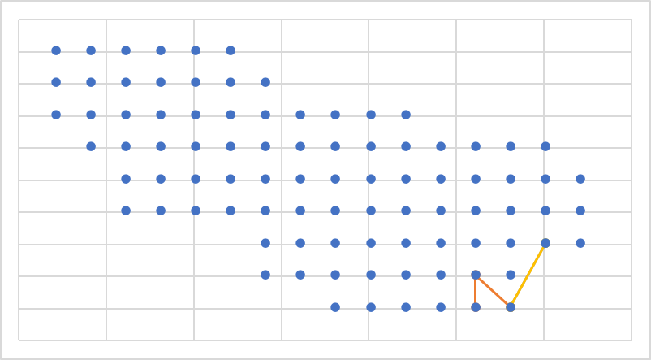
26 | 1167 | 2016-07-09 | 5 | 61 | -99
27 | 1167 | 2016-09-08 | 13 | 61 | -79
28 | 1167 | 2016-11-09 | 6 | 81 | -99

30 | 1167 | 2017-03-16 | 6 | 81 | -99
31 | 1167 | 2017-05-13 | 23 | 101 | -59

33 | 1167 | 2017-09-02 | 23 | 101 | -59
34 | 1167 | 2017-11-13 | 23 | 101 | -59
35 | 1167 | 2018-01-16 | 6 | 81 | -99

37 | 1167 | 2018-05-09 | 23 | 101 | -59

40 | 1167 | 2018-11-09 | 35 | 61 | -39

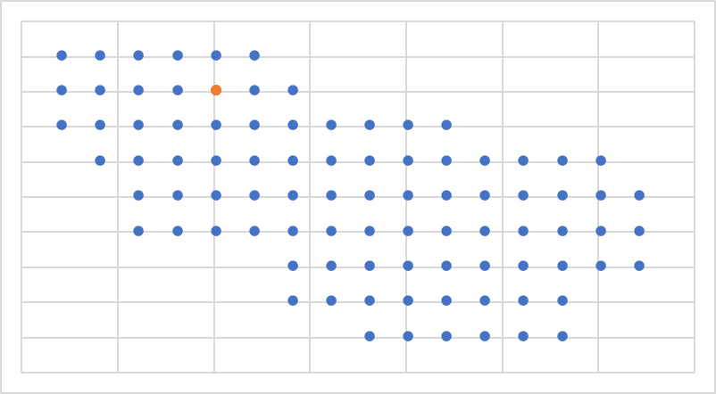
28 | 1212 | 2016-11-09 | 82 | -99 | 41
29 | 1212 | 2017-01-04 | 82 | -99 | 41
30 | 1212 | 2017-03-17 | 82 | -99 | 41

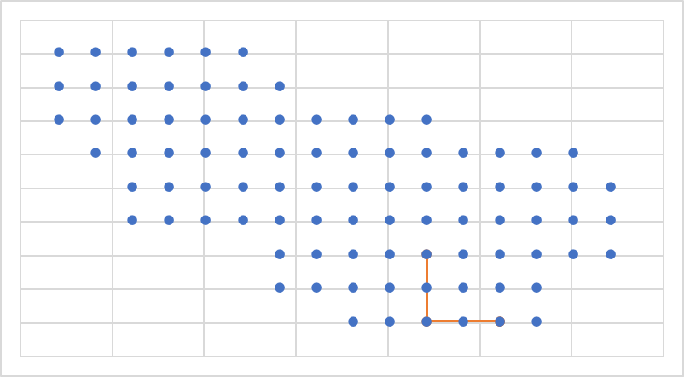
29 | 1229 | 2017-01-04 | 19 | 21 | -59
30 | 1229 | 2017-03-16 | 3 | 21 | -99
31 | 1229 | 2017-05-14 | 5 | 61 | -99
32 | 1229 | 2017-07-10 | 5 | 61 | -99

35 | 1229 | 2018-01-14 | 3 | 21 | -99

37 | 1229 | 2018-05-09 | 3 | 21 | -99

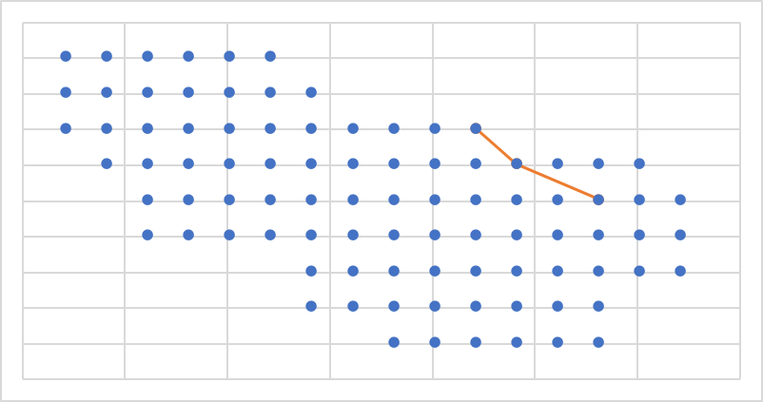
29 | 1239 | 2017-01-06 | 50 | 81 | -19
30 | 1239 | 2017-03-16 | 63 | 41 | 1
31 | 1239 | 2017-05-10 | 77 | 21 | 21

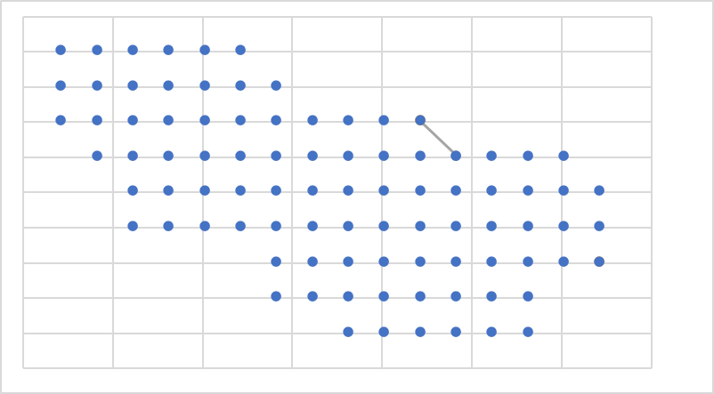
2 | 101 | 2012-07-08 | 24 | 121 | -59

7 | 101 | 2013-05-09 | 77 | 21 | 21
8 | 101 | 2013-07-16 | 63 | 41 | 1

11 | 101 | 2014-01-09 | 77 | 21 | 21

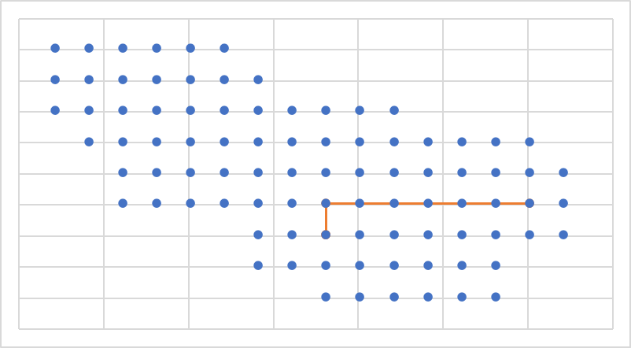
29 | 1240 | 2017-01-06 | 37 | 101 | -39
30 | 1240 | 2017-03-16 | 31 | -19 | -39
31 | 1240 | 2017-05-11 | 17 | -19 | -59
32 | 1240 | 2017-07-08 | 17 | -19 | -59

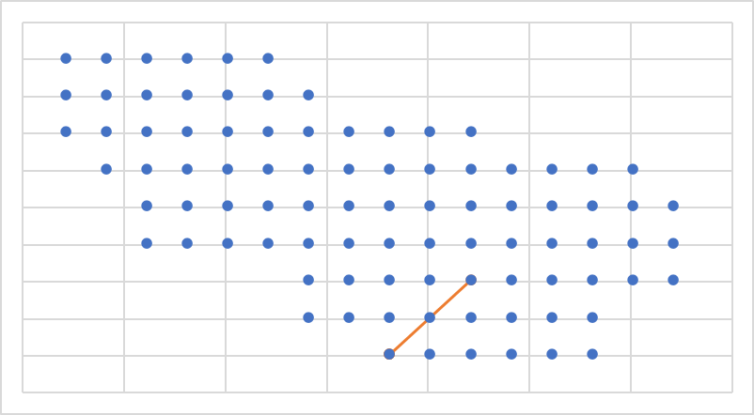
30 | 1251 | 2017-03-16 | 1 | -19 | -99
31 | 1251 | 2017-05-10 | 1 | -19 | -99
32 | 1251 | 2017-07-11 | 1 | -19 | -99
33 | 1251 | 2017-09-02 | 19 | 21 | -59

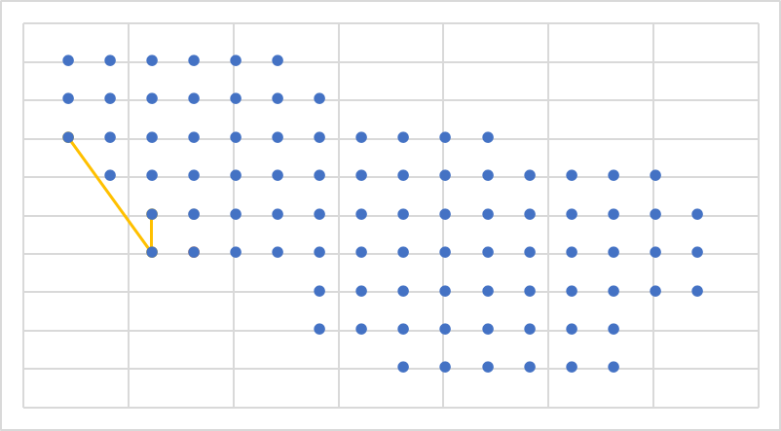
4 | 191 | 2012-11-07 | 26 | -119 | -39

9 | 191 | 2013-09-13 | 40 | -119 | -19

11 | 191 | 2014-01-13 | 39 | -139 | -19
12 | 191 | 2014-03-16 | 25 | -139 | -39
13 | 191 | 2014-05-10 | 67 | -179 | 21

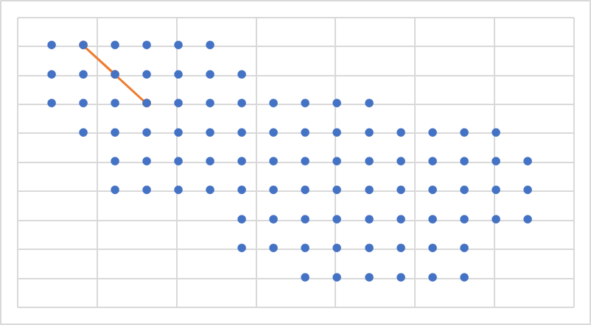
30 | 1263 | 2017-03-18 | 70 | -119 | 21
31 | 1263 | 2017-05-10 | 86 | -159 | 61
32 | 1263 | 2017-07-11 | 80 | -139 | 41

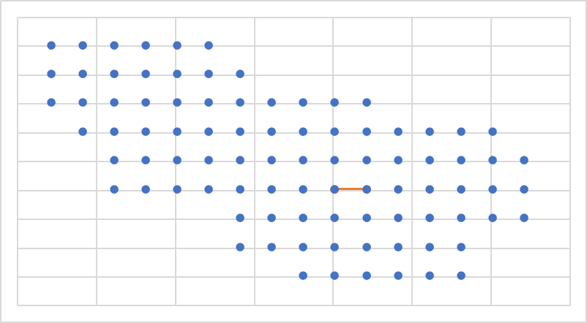
30 | 1250 | 2017-03-15 | 32 | 1 | -39
31 | 1250 | 2017-05-13 | 33 | 21 | -39
32 | 1250 | 2017-07-07 | 32 | 1 | -39

 | Y |  | 1
-19 | -99 | 81 | -99
1 | -99 | 81 | -99
21 | -99
41 | -99
61 | -99
81 | -99
-59 | -79
-39 | -79
-19 | -79
1 | -79
21 | -79
41 | -79
61 | -79
81 | -79
-59 | -59
-39 | -59
-19 | -59
1 | -59
21 | -59
41 | -59
61 | -59
81 | -59
101 | -59
121 | -59
-139 | -39
-119 | -39
-99 | -39
-79 | -39
-59 | -39
-39 | -39
-19 | -39
1 | -39
21 | -39
41 | -39
61 | -39
81 | -39
101 | -39
121 | -39
-139 | -19
-119 | -19
-99 | -19
-79 | -19
-59 | -19
-39 | -19
-19 | -19
1 | -19
21 | -19
41 | -19
61 | -19
81 | -19
...
5 | 212 | 2013-01-11 | 6 | 81 | -99

7 | 212 | 2013-05-09 | 5 | 61 | -99

9 | 212 | 2013-09-16 | 6 | 81 | -99
10 | 212 | 2013-11-09 | 6 | 81 | -99

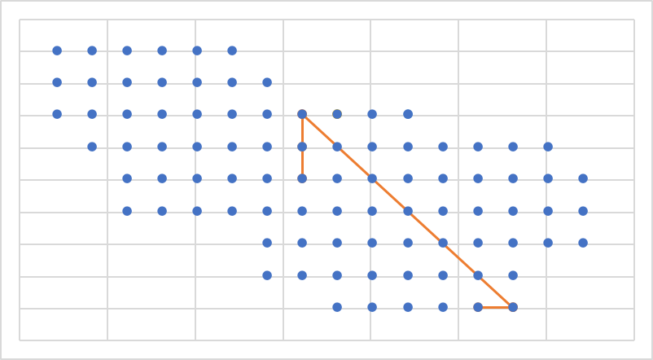
5 | 774 | 2013-01-15 | 5 | 61 | -99
6 | 774 | 2013-03-09 | 6 | 81 | -99
7 | 774 | 2013-05-09 | 6 | 81 | -99
8 | 774 | 2013-07-13 | 74 | -39 | 21
9 | 774 | 2013-09-13 | 59 | -39 | 1
10 | 774 | 2013-11-09 | 44 | -39 | -19
11 | 774 | 2014-01-09 | 74 | -39 | 21

13 | 774 | 2014-05-11 | 59 | -39 | 1

15 | 774 | 2014-09-13 | 75 | -19 | 21
16 | 774 | 2014-11-11 | 75 | -19 | 21

26 | 774 | 2016-07-08 | 77 | 21 | 21

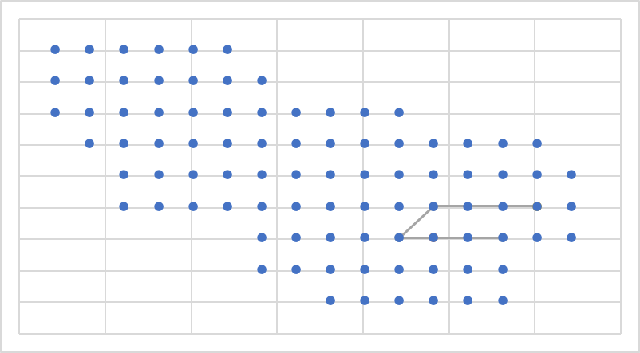
5 | 216 | 2013-01-11 | 20 | 41 | -59

7 | 216 | 2013-05-09 | 37 | 101 | -39
8 | 216 | 2013-07-13 | 34 | 41 | -39
9 | 216 | 2013-09-13 | 19 | 21 | -59
10 | 216 | 2013-11-09 | 22 | 81 | -59

12 | 216 | 2014-03-15 | 37 | 101 | -39

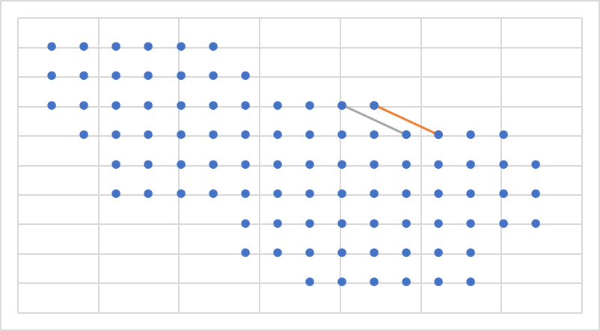
7 | 315 | 2013-05-09 | 64 | 61 | 1
8 | 315 | 2013-07-16 | 77 | 21 | 21

10 | 315 | 2013-11-09 | 63 | 41 | 1
11 | 315 | 2014-01-09 | 76 | 1 | 21

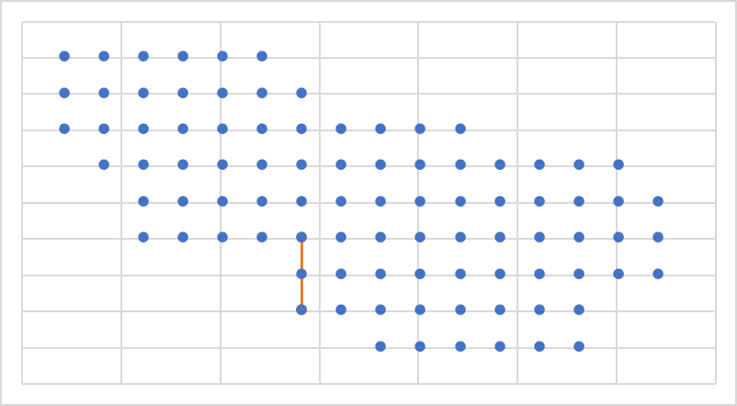
8 | 438 | 2013-07-16 | 7 | -59 | -79

10 | 438 | 2013-11-11 | 17 | -19 | -59

12 | 438 | 2014-03-18 | 29 | -59 | -39
13 | 438 | 2014-05-14 | 7 | -59 | -79
14 | 438 | 2014-07-17 | 7 | -59 | -79

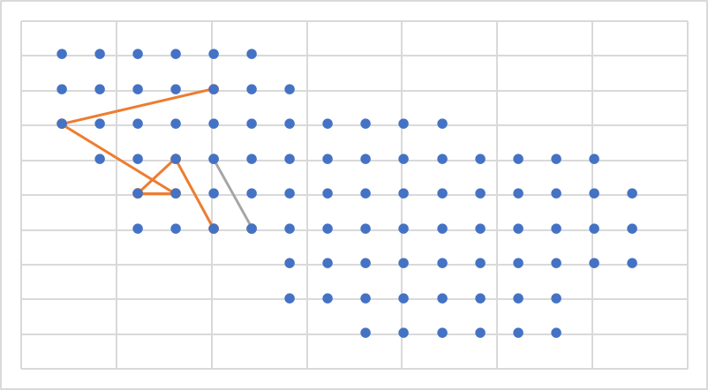
11 | 588 | 2014-01-10 | 82 | -99 | 41
12 | 588 | 2014-03-16 | 67 | -179 | 21
13 | 588 | 2014-05-12 | 40 | -119 | -19
14 | 588 | 2014-07-17 | 39 | -139 | -19
15 | 588 | 2014-09-10 | 39 | -139 | -19
16 | 588 | 2014-11-11 | 55 | -119 | 1
17 | 588 | 2015-01-14 | 27 | -99 | -39

19 | 588 | 2015-05-07 | 28 | -79 | -39
20 | 588 | 2015-07-15 | 56 | -99 | 1
21 | 588 | 2015-09-12 | 28 | -79 | -39

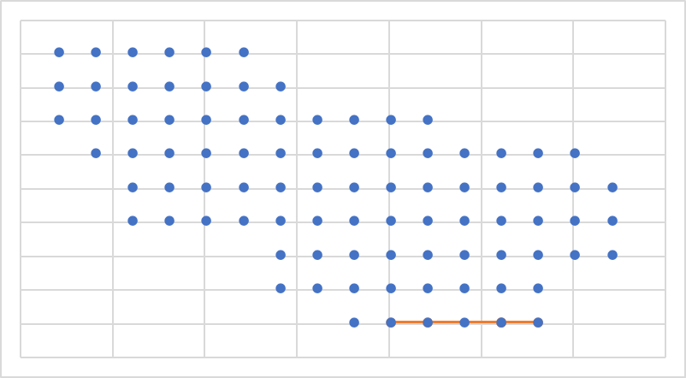
8 | 439 | 2013-07-16 | 3 | 21 | -99

19 | 439 | 2015-05-09 | 5 | 61 | -99
20 | 439 | 18/07/15 | 3 | 21 | -99
21 | 439 | 2015-09-13 | 2 | 1 | -99
22 | 439 | 2015-11-08 | 5 | 61 | -99
23 | 439 | 2016-01-15 | 6 | 81 | -99

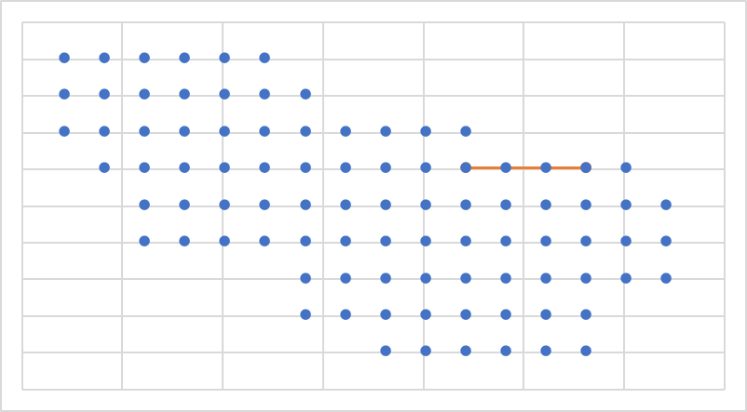
7 | 326 | 2013-05-10 | 62 | 21 | 1
8 | 326 | 2013-07-13 | 65 | 81 | 1
9 | 326 | 2013-09-13 | 65 | 81 | 1

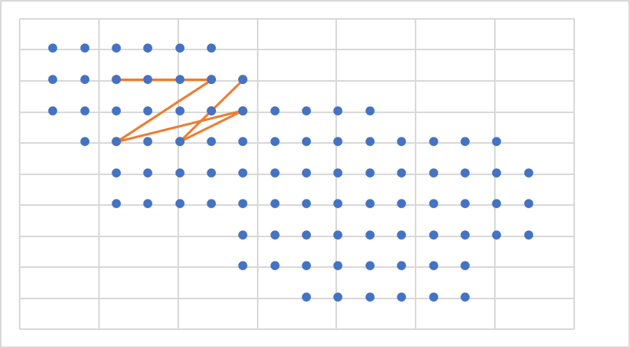
8 | 410 | 2013-07-13 | 84 | -59 | 41
9 | 410 | 2013-09-17 | 72 | -79 | 21
10 | 410 | 2013-11-13 | 56 | -99 | 1
11 | 410 | 2014-01-09 | 73 | -59 | 21
12 | 410 | 2014-03-16 | 53 | -139 | 1
13 | 410 | 2014-05-11 | 83 | -79 | 41
14 | 410 | 2014-07-16 | 80 | -139 | 41

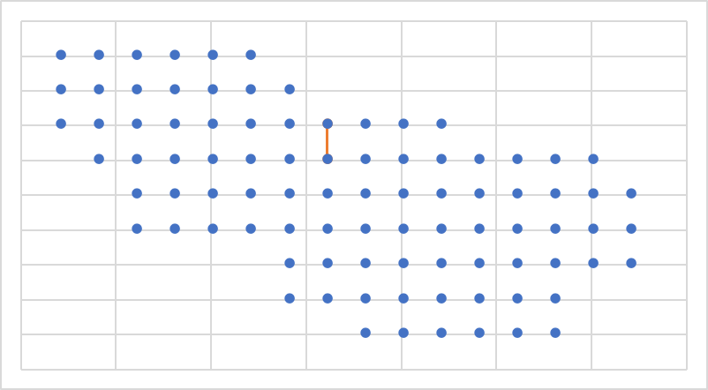
9 | 477 | 2013-09-13 | 74 | -39 | 21
10 | 477 | 2013-11-10 | 59 | -39 | 1

13 | 477 | 2014-05-10 | 75 | -19 | 21

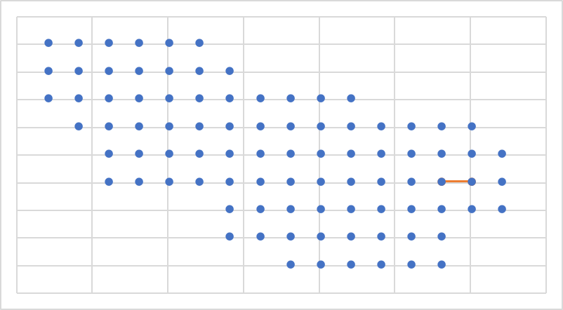
10 | 551 | 2013-11-13 | 37 | 101 | -39
11 | 551 | 2014-01-09 | 36 | 81 | -39

14 | 551 | 20/07/14 | 36 | 81 | -39

18 | 551 | 2015-03-09 | 50 | 81 | -19

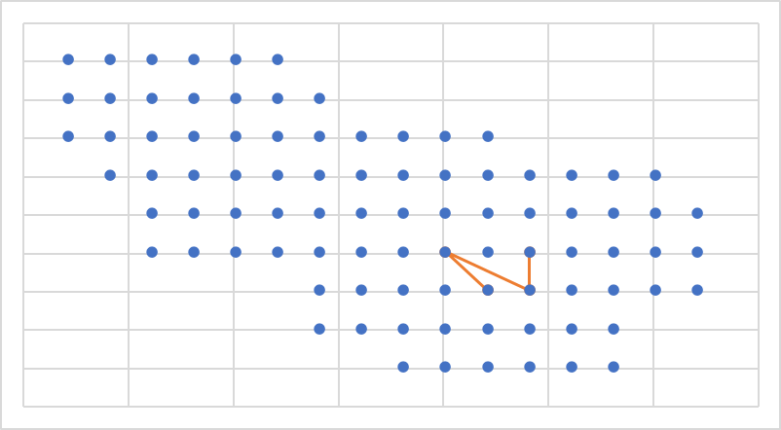
11 | 571 | 2014-01-11 | 34 | 41 | -39
12 | 571 | 2014-03-16 | 20 | 41 | -59
13 | 571 | 2014-05-10 | 32 | 1 | -39
14 | 571 | 2014-07-17 | 19 | 21 | -59

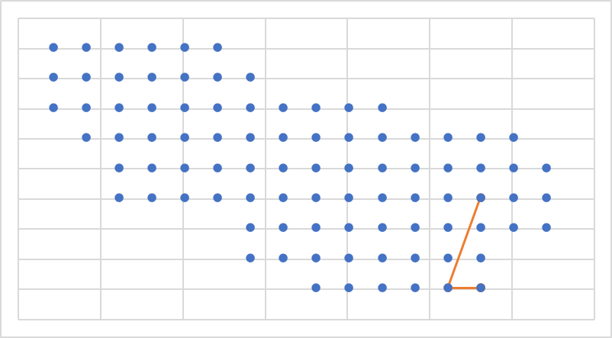
12 | 644 | 2014-03-15 | 6 | 81 | -99
13 | 644 | 2014-05-10 | 6 | 81 | -99
14 | 644 | 2014-07-16 | 5 | 61 | -99
15 | 644 | 2014-09-11 | 36 | 81 | -39

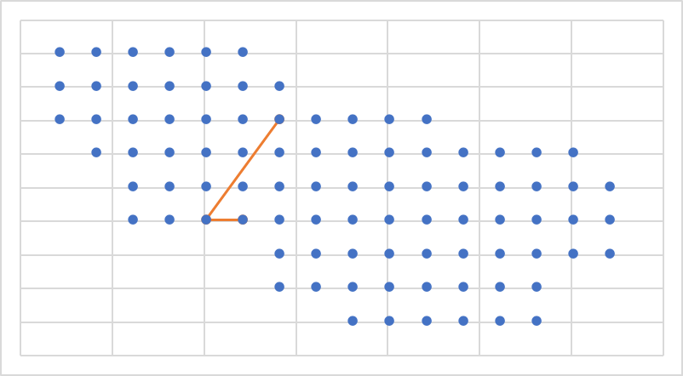
12 | 645 | 2014-03-15 | 28 | -79 | -39
13 | 645 | 2014-05-11 | 27 | -99 | -39
14 | 645 | 2014-07-16 | 73 | -59 | 21

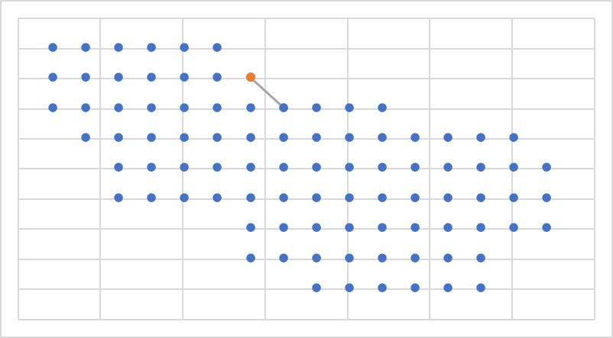
12 | 635 | 2014-03-18 | 84 | -59 | 41
13 | 635 | 2014-05-10 | 74 | -39 | 21

15 | 635 | 2014-09-12 | 84 | -59 | 41

17 | 635 | 2015-01-14 | 84 | -59 | 41
18 | 635 | 2015-03-07 | 84 | -59 | 41

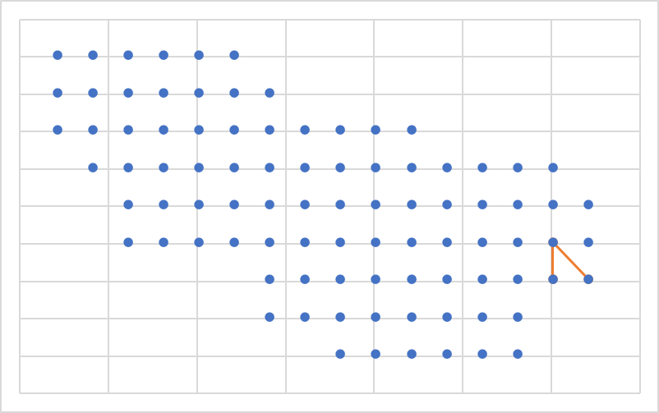
17 | 798 | 2015-01-14 | 23 | 101 | -59
18 | 798 | 2015-03-06 | 37 | 101 | -39
19 | 798 | 2015-05-07 | 24 | 121 | -59

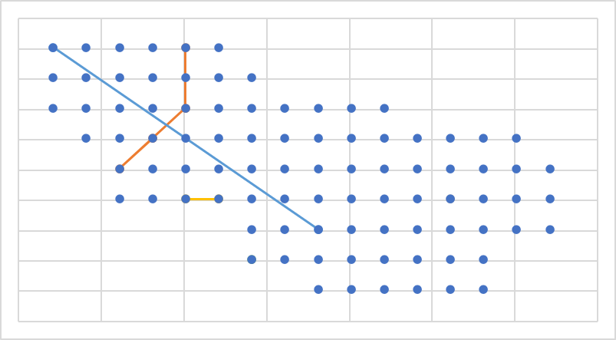
18 | 836 | 2015-03-08 | 89 | -99 | 61
19 | 836 | 2015-05-08 | 71 | -99 | 21
20 | 836 | 17/07/15 | 39 | -139 | -19
21 | 836 | 2015-09-10 | 55 | -119 | 1

24 | 836 | 2016-03-09 | 35 | 61 | -39

31 | 836 | 2017-05-14 | 28 | -79 | -39
32 | 836 | 2017-07-07 | 27 | -99 | -39

34 | 836 | 2017-11-12 | 85 | -179 | 61
35 | 836 | 2018-01-16 | 17 | -19 | -59
37 | 836 | 2018-05-06 | 7 | -59 | -79
42 | 836 | 2019-03-16 | 7 | -59 | -79

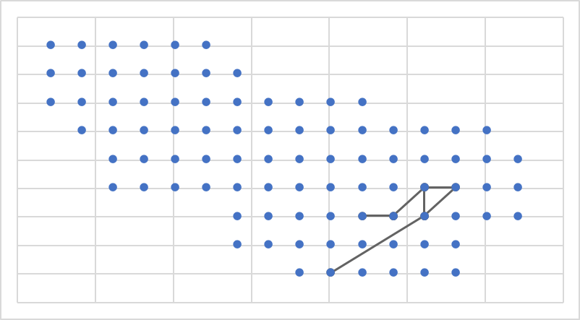
19 | 887 | 2015-05-09 | 19 | 21 | -59
20 | 887 | 2015-07-15 | 20 | 41 | -59
21 | 887 | 2015-09-09 | 20 | 41 | -59
22 | 887 | 2015-11-07 | 35 | 61 | -39
23 | 887 | 2016-01-15 | 21 | 61 | -59
24 | 887 | 2016-03-08 | 36 | 81 | -39
25 | 887 | 2016-05-12 | 35 | 61 | -39
26 | 887 | 2016-07-08 | 21 | 61 | -59
27 | 887 | 2016-09-08 | 2 | 1 | -99

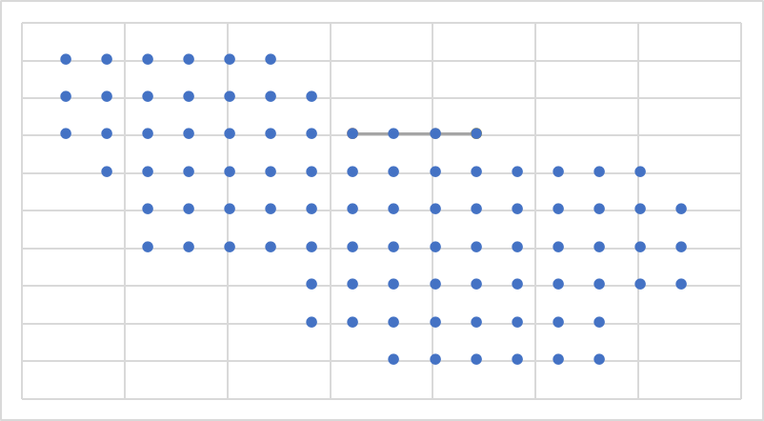
19 | 1479 | 2015-05-07 | 74 | -39 | 21

21 | 1479 | 2015-09-11 | 74 | -39 | 21
22 | 1479 | 2015-11-06 | 76 | 1 | 21
23 | 1479 | 2016-01-14 | 77 | 21 | 21

25 | 1479 | 2016-05-13 | 77 | 21 | 21

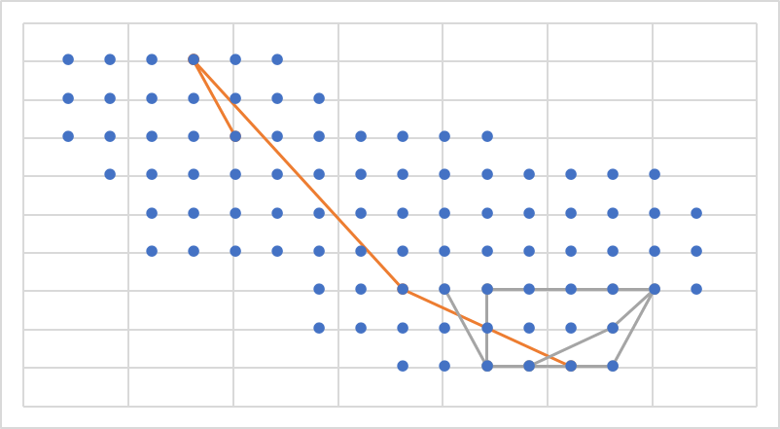
12 | 615 | 2014-03-15 | 71 | -99 | 21
13 | 615 | 2014-05-10 | 88 | -119 | 61
14 | 615 | 2014-07-16 | 88 | -119 | 61
15 | 615 | 2014-09-13 | 17 | -19 | -59
16 | 615 | 2014-11-09 | 5 | 61 | -99

18 | 615 | 2015-03-07 | 18 | 1 | -59
19 | 615 | 2015-05-06 | 3 | 21 | -99
20 | 615 | 2015-07-15 | 4 | 41 | -99
21 | 615 | 2015-09-09 | 3 | 21 | -99
22 | 615 | 2015-11-07 | 19 | 21 | -59
23 | 615 | 2016-01-15 | 3 | 21 | -99
24 | 615 | 2016-03-07 | 4 | 41 | -99
25 | 615 | 2016-05-12 | 5 | 61 | -99
26 | 615 | 2016-07-08 | 6 | 81 | -99
27 | 615 | 2016-09-08 | 23 | 101 | -59
28 | 615 | 2016-11-09 | 19 | 21 | -59
29 | 616 | 2017-01-08 | 22 | 81 | -59
30 | 615 | 2017-03-18 | 23 | 101 | -59
31 | 615 | 2017-05-11 | 14 | 81 | -79
32 | 615 | 2017-07-08 | 4 | 41 | -99

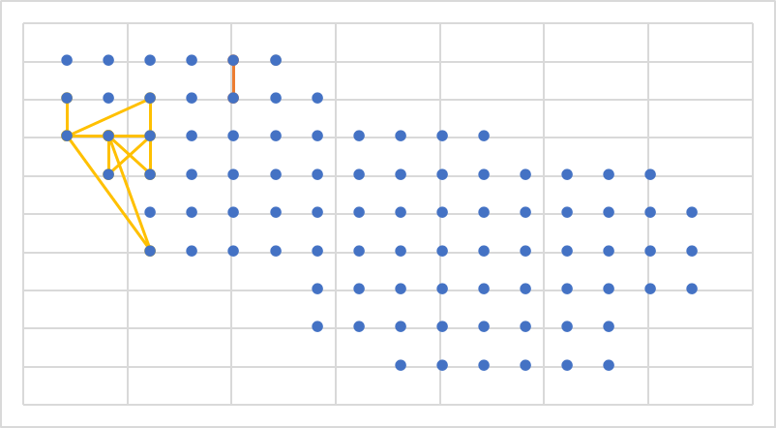
8 | 420 | 2013-07-14 | 82 | -99 | 41
9 | 420 | 2013-09-14 | 89 | -99 | 61

11 | 420 | 2014-01-09 | 90 | -79 | 61

13 | 420 | 2014-05-11 | 78 | -179 | 41
14 | 420 | 2014-07-17 | 67 | -179 | 21
15 | 420 | 2014-09-10 | 68 | -159 | 21
16 | 420 | 2014-11-09 | 68 | -159 | 21
17 | 420 | 2015-01-14 | 68 | -159 | 21
18 | 420 | 2015-03-07 | 67 | -179 | 21
19 | 420 | 2015-05-07 | 80 | -139 | 41
20 | 420 | 2015-07-19 | 54 | -139 | 1
21 | 420 | 2015-09-11 | 68 | -159 | 21
22 | 420 | 2015-11-06 | 53 | -159 | 1
23 | 420 | 2016-01-15 | 69 | -139 | 21
24 | 420 | 2016-03-07 | 67 | -179 | 21
25 | 420 | 2016-05-11 | 25 | -139 | -39
26 | 420 | 2016-07-08 | 68 | -159 | 21
27 | 420 | 2016-09-08 | 68 | -159 | 21

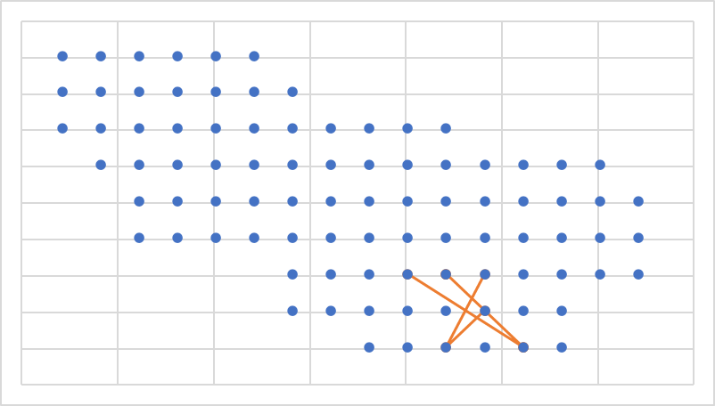
32 | 1476 | 2017-07-09 | 19 | 21 | -59
33 | 1476 | 2017-09-02 | 5 | 61 | -99
34 | 1476 | 2017-11-11 | 18 | 1 | -59
35 | 1476 | 2018-01-17 | 5 | 61 | -99
36 | 1476 | 2018-03-08 | 19 | 21 | -59
37 | 1476 | 2018-05-08 | 12 | 41 | -79
38 | 1476 | 2018-07-06 | 3 | 21 | -99
39 | 1476 | 2018-09-12 | 20 | 41 | -59

41 | 1476 | 2019-01-10 | 13 | 61 | -79

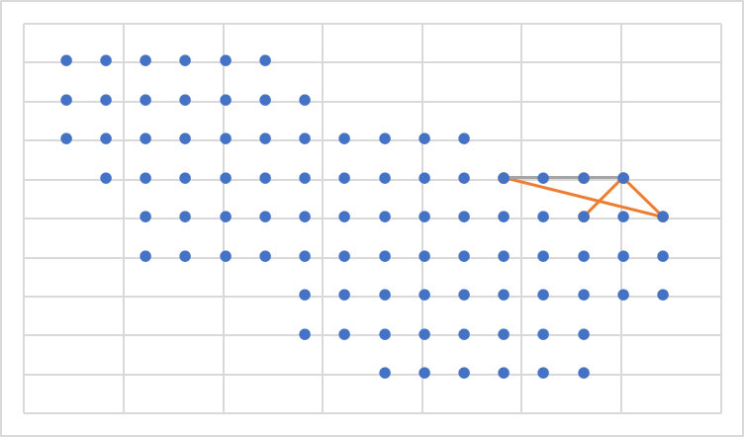
24 | 1461 | 2016-03-06 | 65 | 81 | 1
25 | 1461 | 2016-05-11 | 63 | 41 | 1
26 | 1461 | 2016-07-08 | 52 | 121 | -19
27 | 1461 | 2016-09-08 | 66 | 101 | 1
29 | 1461 | 2017-01-04 | 50 | 81 | -19

33 | 1461 | 2017-09-02 | 66 | 101 | 1
34 | 1461 | 2017-11-13 | 63 | 41 | 1

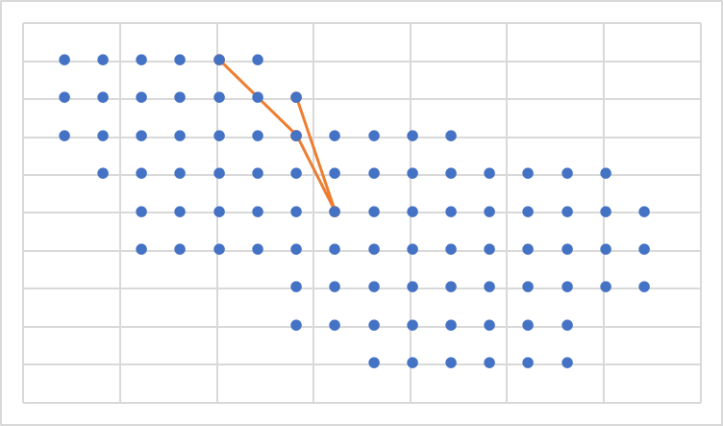
31 | 1455 | 2017-05-10 | 73 | -59 | 21
32 | 1455 | 2017-07-08 | 89 | -99 | 61
33 | 1455 | 2017-09-03 | 73 | -59 | 21
34 | 1455 | 2017-11-11 | 44 | -39 | -19
35 | 1455 | 2018-01-14 | 84 | -59 | 41

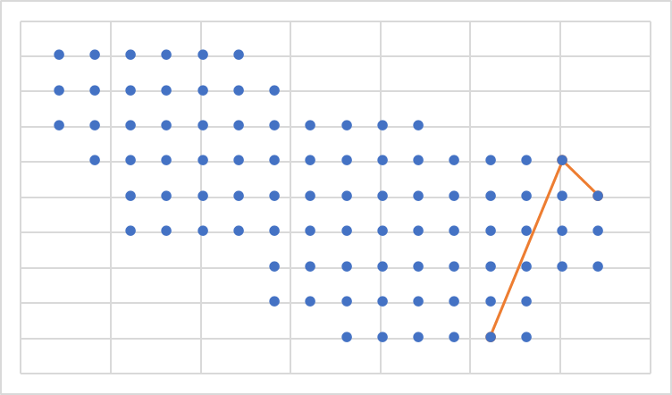
37 | 1439 | 2018-05-09 | 52 | 121 | -19
38 | 1439 | 2018-07-06 | 66 | 101 | 1
39 | 1439 | 2018-09-12 | 5 | 61 | -99

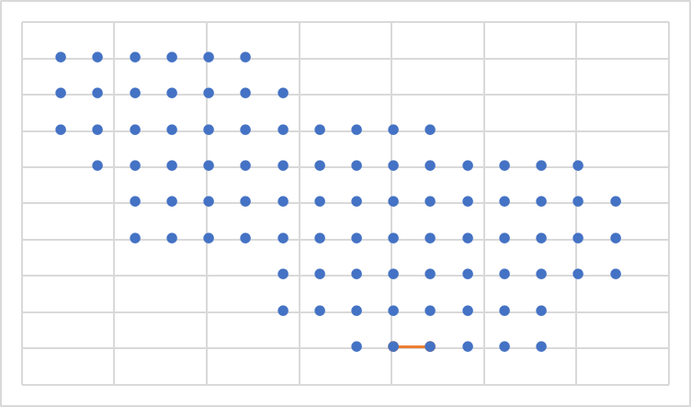
32 | 1477 | 2017-07-07 | 2 | 1 | -99
33 | 1477 | 2017-09-03 | 3 | 21 | -99

35 | 1477 | 2018-01-15 | 3 | 21 | -99

37 | 1477 | 2018-05-06 | 3 | 21 | -99

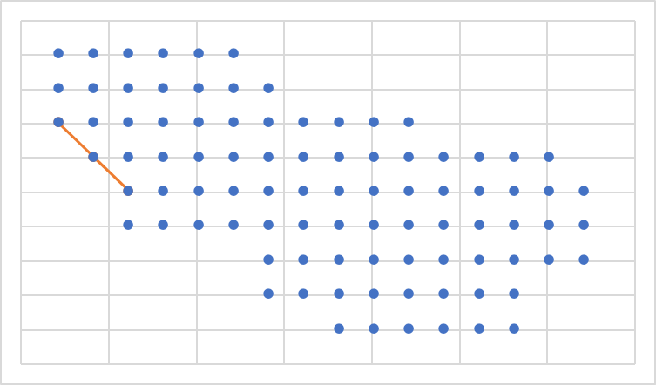
4 | 187 | 2012-11-07 | 67 | -179 | 21
5 | 187 | 2013-01-14 | 39 | -139 | -19
6 | 187 | 2013-03-10 | 53 | -159 | 1


16 | 781 | 2014-11-09 | 12 | 41 | -79
18 | 781 | 2015-03-09 | 6 | 81 | -99
21 | 781 | 2015-09-09 | 6 | 81 | -99


18 | 822 | 2015-03-06 | 13 | 61 | -79
19 | 822 | 2015-05-10 | 6 | 81 | -99
20 | 822 | 2015-07-15 | 14 | 81 | -79


19 | 864 | 2015-05-06 | 9 | -19 | -79
20 | 864 | 2015-07-15 | 7 | -59 | -79
21 | 864 | 2015-09-09 | 7 | -59 | -79


18 | 898 | 2015-03-06 | 77 | 21 | 21
19 | 898 | 2015-05-08 | 19 | 21 | -59
20 | 898 | 2015-07-16 | 50 | 81 | -19

22 | 898 | 2015-11-07 | 6 | 81 | -99

24 | 898 | 2016-03-09 | 6 | 81 | -99


24 | 1086 | 2016-03-07 | 7 | -59 | -79
28 | 1086 | 2016-11-10 | 7 | -59 | -79
32 | 1086 | 2017-07-11 | 26 | -119 | -39


30 | 1248 | 2017-03-15 | 6 | 81 | -99

34 | 1248 | 2017-11-12 | 21 | 61 | -59
35 | 1248 | 2018-01-14 | 49 | 61 | -19

38 | 1248 | 2018-07-05 | 37 | 101 | -39


31 | 1276 | 2017-05-10 | 15 | -59 | -59

35 | 1279 | 2018-01-15 | 9 | -19 | -79

47 | 1279 | 2020-01-11 | 1 | -19 | -99
48 | 1279 | 2020-03-12 | 1 | -19 | -99


32 | 1286 | 2017-07-09 | 84 | -59 | 41
33 | 1286 | 2017-09-05 | 80 | -139 | 41
35 | 1286 | 2018-01-14 | 40 | -119 | -19
36 | 1286 | 2018-03-09 | 82 | -99 | 41
37 | 1286 | 2018-05-09 | 83 | -79 | 41


34 | 1317 | 2017-11-12 | 53 | -159 | 1

36 | 1317 | 2018-03-08 | 70 | -119 | 21
37 | 1317 | 2018-05-09 | 69 | -139 | 21
38 | 1317 | 2018-07-05 | 81 | -119 | 41
39 | 1317 | 2018-09-12 | 82 | -99 | 41
40 | 1317 | 2018-11-10 | 71 | -99 | 21

42 | 1317 | 2019-03-14 | 83 | -79 | 41
43 | 1317 | 2019-05-04 | 73 | -59 | 21
44 | 1317 | 2019-07-09 | 74 | -39 | 21


34 | 1320 | 2017-11-14 | 7 | -59 | -79

37 | 1320 | 2018-05-08 | 9 | -19 | -79
38 | 1320 | 2018-07-08 | 3 | 21 | -99
39 | 1320 | 2018-09-14 | 1 | -19 | -99


35 | 1333 | 2018-01-13 | 5 | 61 | -99

37 | 1333 | 2018-05-06 | 4 | 41 | -99
38 | 1333 | 2018-07-05 | 5 | 61 | -99
39 | 1333 | 2018-09-12 | 3 | 21 | -99


37 | 1387 | 2018-05-06 | 9 | -19 | -79
38 | 1387 | 2018-07-06 | 2 | 1 | -99
39 | 1387 | 2018-09-14 | 32 | 1 | -39
40 | 1387 | 2018-11-10 | 19 | 21 | -59


37 | 1428 | 2018-05-09 | 20 | 41 | -59
38 | 1428 | 2018-07-05 | 20 | 41 | -59
41 | 1428 | 2019-01-11 | 1 | -19 | -99


37 | 1436 | 2018-05-09 | 68 | -159 | 21
38 | 1436 | 2018-07-09 | 53 | -159 | 1
39 | 1436 | 2018-09-15 | 68 | -159 | 21
40 | 1436 | 2018-11-08 | 68 | -159 | 21
41 | 1436 | 2019-01-13 | 79 | -159 | 41
42 | 1436 | 2019-03-15 | 67 | -179 | 21
43 | 1436 | 2019-05-05 | 54 | -139 | 1


37 | 1439 | 2018-05-09 | 52 | 121 | -19
38 | 1439 | 2018-07-06 | 66 | 101 | 1
39 | 1439 | 2018-09-12 | 5 | 61 | -99


30 | 1450 | 2017-03-18 | 54 | -139 | 1
33 | 1450 | 2017-09-03 | 68 | -159 | 21
33 | 1450 | 2017-09-06 | 68
36 | 1450 | 2018-03-09 | 67 | -179 | 21


37 | 1456 | 6 | 81 | -99
39 | 1456 | 24 | 121 | -59
41 | 1456 | 5 | 61 | -99


29 | 1471 | 2017-01-04 | 75 | -19 | 21
30 | 1471 | 2017-03-17 | 77 | 21 | 21

32 | 1471 | 2017-07-08 | 7 | -59 | -79


38 | 1508 | 2018-07-07 | 40 | -119 | -19

41 | 1508 | 2019-01-11 | 44 | -39 | -19
42 | 1508 | 2019-03-16 | 25 | -139 | -39

46 | 1508 | 2019-11-13 | 54 | -139 | 1

48 | 1508 | 2020-03-12 | 7 | -59 | -79


39 | 1561 | 2018-09-13 | 7 | -59 | -79
40 | 1561 | 2018-11-07 | 1 | -19 | -99
41 | 1561 | 2019-01-10 | 7 | -59 | -79

39 | 1573 | 2018-09-15 | 17 | -19 | -59
45 | 1573 | 2019-09-12 | 9 | -19 | -79
46 | 1573 | 2019-11-14 | 9 | -19 | -79


40 | 1610 | 2018-11-08 | 37 | 101 | -59
41 | 1610 | 2019-01-10 | 12 | 41 | -79
42 | 1610 | 2019-03-14 | 14 | 81 | -79
43 | 1610 | 2019-05-04 | 4 | 41 | -99
44 | 1610 | 2019-07-05 | 5 | 61 | -99


41 | 1644 | 2019-01-10 | 8 | -39 | -79
42 | 1644 | 2019-03-18 | 12 | 41 | -79
43 | 1644 | 2019-05-04 | 3 | 21 | -99
44 | 1644 | 2019-07-09 | 53 | -159 | 1
45 | 1644 | 2019-09-13 | 53 | -159 | 1
46 | 1644 | 2019-11-13 | 29 | -59 | -39

48 | 1644 | 2020-03-11 | 18 | 1 | -59


42 | 1679 | 2019-03-14 | 78 | -179 | 41
43 | 1679 | 2019-05-05 | 40 | -119 | -19
44 | 1679 | 2019-07-06 | 85 | -179 | 61

46 | 1679 | 2019-11-13 | 69 | -179 | 21
47 | 1679 | 2020-01-09 | 53 | -159 | 1


45 | 1742 | 2019-09-12 | 68 | -159 | 21
46 | 1742 | 2019-11-14 | 54 | -139 | 1

48 | 1742 | 2020-03-11 | 68 | -159 | 21


45 | 1762 | 2019-09-15 | 64 | 61 | 1
46 | 1762 | 2019-11-17 | 37 | 101 | -39
47 | 1762 | 2020-01-10 | 6 | 81 | -99
48 | 1762 | 2020-03-15 | 13 | 61 | -79


46 | 1778 | 2019-11-13 | 5 | 61 | -99
47 | 1778 | 2020-01-09 | 5 | 61 | -99
48 | 1778 | 2020-03-11 | 20 | 41 | -59

